Profit Margin Tables & Charts
Row Labels | Sum of Transaction_Count
Few Repeat Customer (5-9 Transactions) | 64.16%
Good Repeat Customer (10-14 Transactions) | 23.42%
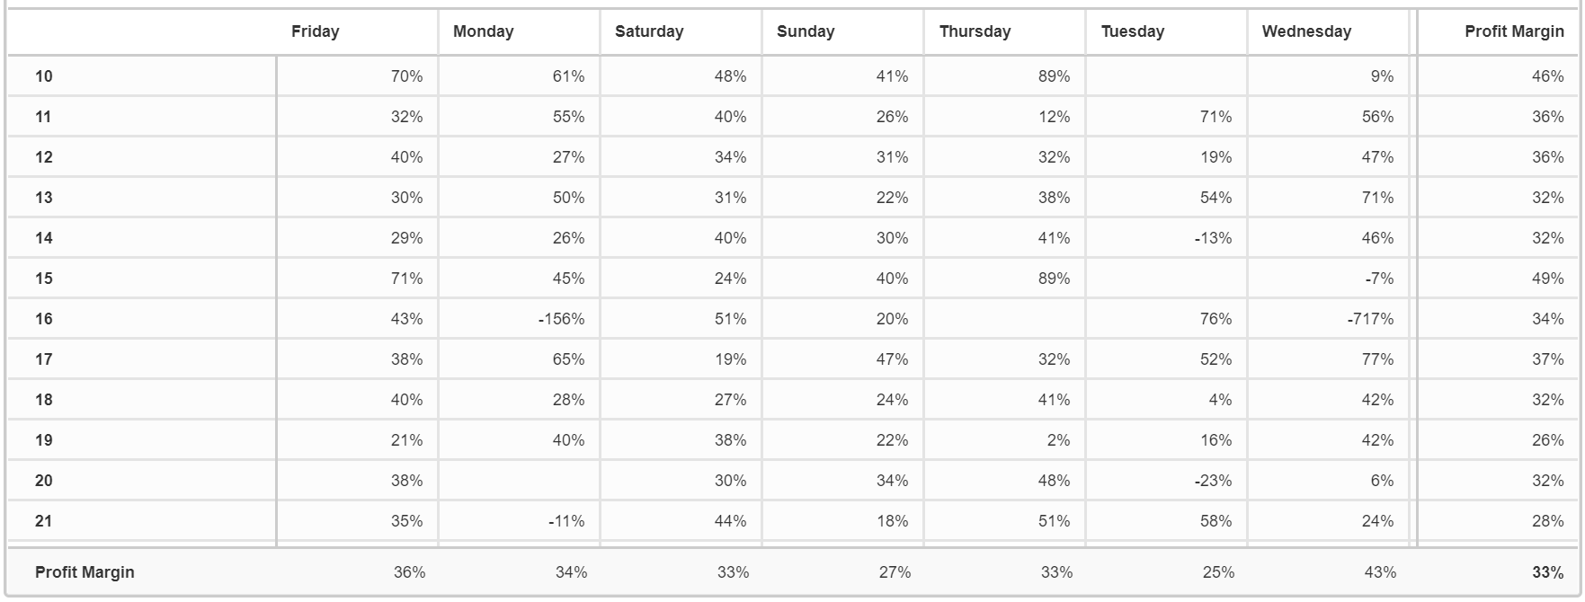
Non-repeat Customer (<2 Transactions) | 0.05%
Rare Repeat Customer (2-4 Transactions) | 9.11%
Super-Repeat Customer (15+ Transactions) | 3.25%
Grand Total | 100.00%

What is the LOWEST revenue and LOWEST customer satisfaction pizza flavour and size?
What is the HIGHEST rev and HIGHEST customer satisfac. Pizza flavour and size?

 |  |  |  |  |  |  |  |  | Row Labels | Average of Profit
 |  |  |  |  |  |  |  |  | Sunday | 6.3
 |  |  |  |  |  |  |  |  | Monday | 7.2
 |  |  |  |  |  |  |  |  | Tuesday | 5.3
 |  |  |  |  |  |  |  |  | Wednesday | 10.1
 |  |  |  |  |  |  |  |  | Thursday | 7.6
 |  |  |  |  |  |  |  |  | Friday | 8.3
 |  |  |  |  |  |  |  |  | Saturday | 7.6
 |  |  |  |  |  |  |  |  | Grand Total | 7.5

Profit from Different Variants
Row Labels | Revenue (CAD) | Sum of Profit
Calzone | 5327 | 2167
Funghi | 9823 | 3419
Magherita | 8801 | 2925
Paprika | 1976 | 399
Salami | 13410 | 3975
Speciale | 4524 | 1555
Veggie | 1980 | 635
Grand Total | 45841 | 15075

Profit Margins
Row Labels | Sum of Revenue | Sum of Profit | Profit Margin
Calzone | 5327 | 2167 | 0.40679556974
Funghi | 9823 | 3419 | 0.34806067393
Magherita | 8801 | 2925 | 0.33234859675
Paprika | 1976 | 399 | 0.20192307692
Salami | 13410 | 3975 | 0.29642058166
Speciale | 4524 | 1555 | 0.34372236958
Veggie | 1980 | 635 | 0.32070707071
Grand Total | 45841 | 15075

 | Delivery Channel | Profit Margins | Average Customer Satisfaction ( /5)
 | BestOrder Inc. | 37% | 2.37
 | Deliver Now Holding | 32% | 2.36
 | Deliveruu Inc. | 33% | 2.44
 | Feedera SE | 31% | 2.22
 | Heropizza Lmtd. | 26% | 2.01 |  |  |  |  |  |  |  |  |  |  |  |  |  |  | Sunday | Monday | Tuesday | Wednesday | Thursday | Friday | Saturday | Grand Total
 | Orderly SE | 26% | 2.24 |  |  |  |  |  |  |  |  |  |  |  |  |  | 10 | 41% | 61% |  | 9% | 89% | 70% | 48% | 46%
 | TownExpress Inc. | 35% | 2.32 |  |  |  |  |  |  |  |  |  |  |  |  |  | 11 | 26% | 55% | 71% | 56% | 12% | 32% | 40% | 36%
 | Grand Total | 33% | 2.31 |  |  |  |  |  |  |  |  |  |  |  |  |  | 12 | 31% | 27% | 19% | 47% | 32% | 40% | 34% | 36%
 |  |  |  |  |  |  |  |  |  |  |  |  |  |  |  |  | 13 | 22% | 50% | 54% | 71% | 38% | 30% | 31% | 32%
 |  |  |  |  |  |  |  |  |  |  |  |  |  |  |  |  | 14 | 30% | 26% | -13% | 46% | 41% | 29% | 40% | 32%
 |  |  |  |  |  |  |  |  |  |  |  |  |  |  |  |  | 15 | 40% | 45% |  | -7% | 89% | 71% | 24% | 49%
 |  |  |  |  |  |  |  |  |  |  |  |  |  |  |  |  | 16 | 20% |  | 76% |  |  | 43% | 51% | 34%
 |  |  |  |  | 10 | 11 | 12 | 13 | 14 | 15 | 16 | 17 | 18 | 19 | 20 | 21 | 17 | 47% | 65% | 52% | 77% | 32% | 38% | 19% | 37%
 |  |  |  | Sunday | 41% | 26% | 31% | 22% | 30% | 40% | 20% | 47% | 24% | 22% | 34% | 18% | 18 | 24% | 28% | 4% | 42% | 41% | 40% | 27% | 32%
 |  |  |  | Monday | 61% | 55% | 27% | 50% | 26% | 45% |  | 65% | 28% | 40% |  | -11% | 19 | 22% | 40% | 16% | 42% | 2% | 21% | 38% | 26%
 |  |  |  | Tuesday |  | 71% | 19% | 54% | -13% |  | 76% | 52% | 4% | 16% | -23% | 58% | 20 | 34% |  | -23% | 6% | 48% | 38% | 30% | 32%
 |  |  |  | Wednesday | 9% | 56% | 47% | 71% | 46% | -7% |  | 77% | 42% | 42% | 6% | 24% | 21 | 18% | -11% | 58% | 24% | 51% | 35% | 44% | 28%
 |  |  |  | Thursday | 89% | 12% | 32% | 38% | 41% | 89% |  | 32% | 41% | 2% | 48% | 51%
 |  |  |  | Friday | 70% | 32% | 40% | 30% | 29% | 71% | 43% | 38% | 40% | 21% | 38% | 35%
Row Labels | Average of Profit |  |  | Saturday | 48% | 40% | 34% | 31% | 40% | 24% | 51% | 19% | 27% | 38% | 30% | 44%
0 | 7.6084142395 |  |  | Grand Total | 46% | 36% | 36% | 32% | 32% | 49% | 34% | 37% | 32% | 26% | 32% | 28%
1 | 8.447311828
2 | 6.81640625
3 | 6.989010989
4 | 7.1211072664
5 | 8.09375
Grand Total | 7.545045045

 |  |  |  |  |  |  |  |  |  |  |  | Row Labels | Count of Customer_ID
 |  |  |  |  |  |  |  |  |  |  |  | 10 | 28
 |  |  |  |  |  |  |  |  |  |  |  | 11 | 105
 |  |  |  |  |  |  |  |  |  |  |  | 12 | 397
 |  |  |  |  |  |  |  |  |  |  |  | 13 | 258
 |  |  |  |  |  |  |  |  |  |  |  | 14 | 166
 |  |  |  |  |  |  |  |  |  |  |  | 15 | 37
 |  |  |  |  |  |  |  |  |  |  |  | 16 | 38
 |  |  |  |  |  |  |  |  |  |  |  | 17 | 104
 |  |  |  | Time of Week | Profit Margins | Average Customer Satisfaction ( /5) | Sum of Costs | Sum of Revenue |  |  |  | 18 | 413
 |  |  |  | Sunday | 27% | 2.39 | 977100% | 13473.00 |  |  |  | 19 | 257
 |  |  |  | Monday | 34% | 2.42 | 93600% | 1419.00 |  |  |  | 20 | 89
 |  |  |  | Tuesday | 25% | 2.28 | 99900% | 1335.00 |  |  |  | 21 | 106
 |  |  |  | Wednesday | 43% | 1.93 | 247700% | 4314.00 |  |  |  | Grand Total | 1998
 |  |  |  | Thursday | 33% | 2.24 | 143400% | 2140.00
 |  |  |  | Friday | 36% | 2.29 | 777900% | 12102.00
 |  |  |  | Saturday | 33% | 2.38 | 737000% | 11058.00
 |  |  |  | Grand Total | 33% | 2.31 | 3076600% | 45841.00

 |  |  |  | Pizza Type | Profit Margins | Average Customer Satisfaction ( /5)
 |  |  |  | Calzone | 41% | 2.34
 |  |  |  | Funghi | 35% | 2.27
 |  |  |  | Magherita | 33% | 2.23
 |  |  |  | Paprika | 20% | 2.30
 |  |  |  | Salami | 30% | 2.38
 |  |  |  | Speciale | 34% | 2.32
 |  |  |  | Veggie | 32% | 2.34
 |  |  |  | Grand Total | 33% | 2.31

